Sheet1
 |  | Document No. | Issue No. | Issue Date |  |  | Review and Replace Date |  | Authorised By
 |  | GFF018MC | 3 | 28.09.2018 |  |  | 09.12.2021 |  | Magda Shah
 |  | Document Title | 2 Wild Mushroom, Spinach & Ricotta Cheese Parcel 300g
Document amendments reason for change |  | Film updated |  | Page 1 of 1 |  | Previous Issue Date |  | 15.07.2020 | Uncontrolled copy unless signed original

CMSRCP-1R1TEB | BOOTHS |  | 2 WILD MUSHROOM, SPINACH & RICOTTA CHEESE PARCEL 300g
STEP 1 |  |  |  |  | STEP 2
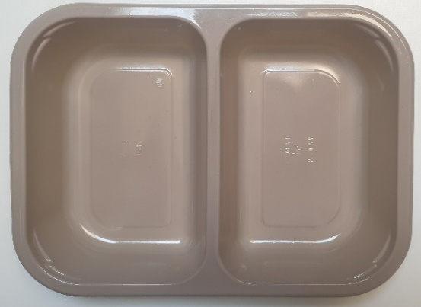 |  |  |  |  | 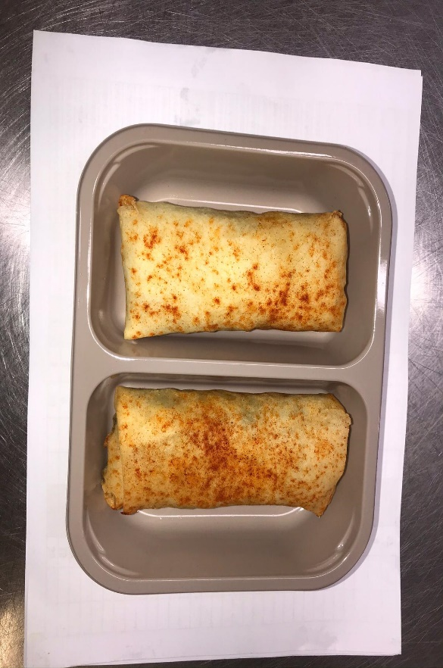

Tray: EVOLVE CPET 2200-2B (PKRHP001-11) |  |  |  |  | 2 x Wild Mushroom, Spinach & Ricotta Cheese Parcel (GFF220R) 2 x 150g

Film: K peel 7G+25A/f- 275mm (275 mmX1000) (PKKMP001-03)

STEP 3

TOTAL WEIGHT: 300g

ALLERGY ALERT: MILK, WHEAT

